Sheet1
STYLE NAME | COLOUR | SUEDE LEATHER | UK 10 EU 28 | UK 11 EU 29 | UK 12 EU 30 | UK 12.5 EU 31 | UK 13 EU 32 | UK 1 EU33 | UK 2 EU 34 | UK 2.5 EU 35 | TTL | PRE PACK / CTN QTY
2016 | BLACK | 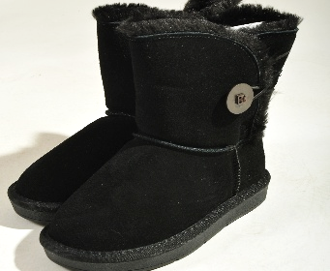 | 21 | 21 | 42 | 42 | 42 | 42 | 20 | 20 | 250 | PRE PACK
STYLE NAME | COLOUR | SUEDE LEATHER | 7 | 8 | 9 | 10 | 11 | 12 | 1 | 2 | TTL | PRE PACK / CTN QTY
2016 | 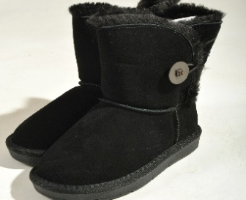 BLACK |  | 36 | 36 | 72 | 72 | 72 | 72 | 36 | 36 | 432 | PRE PACK
2016 | COFFEE | 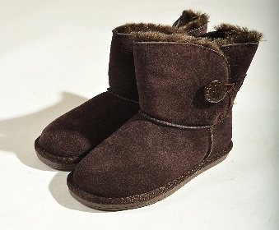 | 1 | 1 | 2 | 18 | 27 | 25 | 17 | 17 | 108 | PRE PACK
 |  |  |  |  |  |  |  |  |  |  | 790

